Sheet1
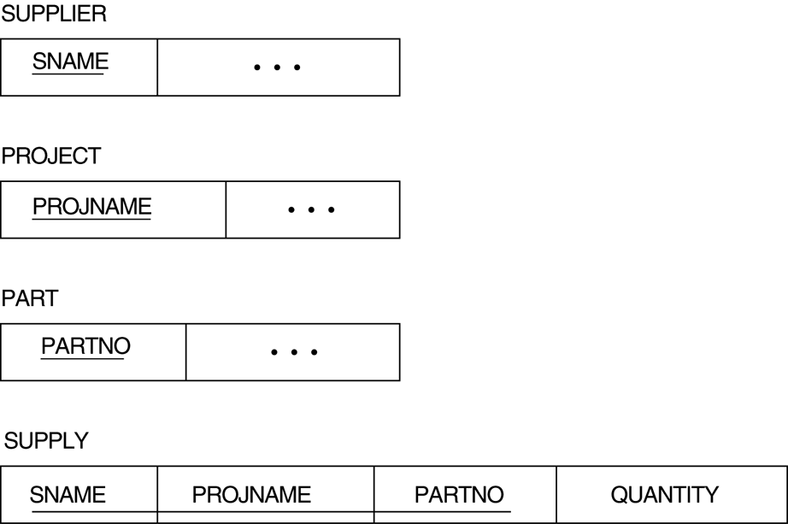
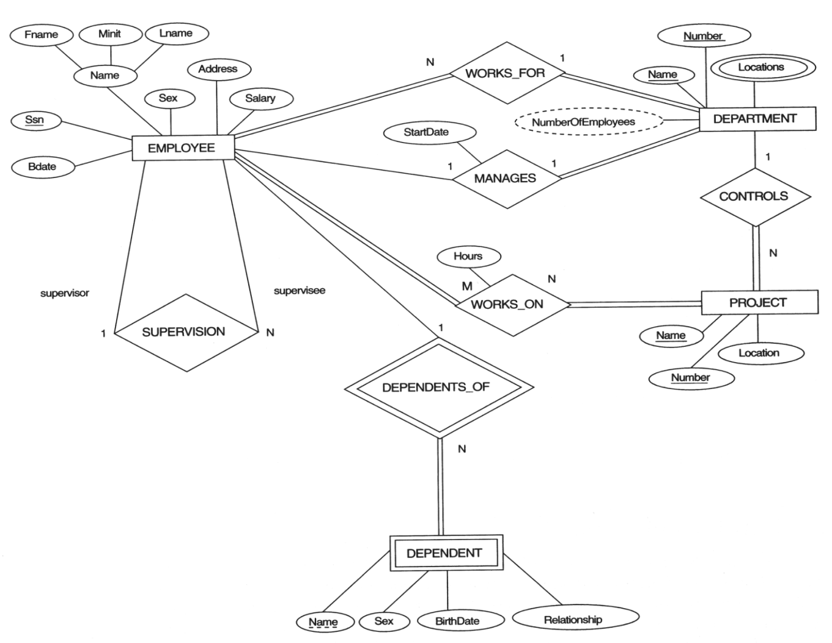
Step 1: | Mapping of Regular Entity Types
Employee
Fname | Minit | Lname | Ssn | Bdate | Sex | Address | Salary

Department
Name | Number

Project
Name | Number | Location

Step 2: | Mapping of Weak Entity Types
Dependent
Name | Sex | BirthDate | Relationship | E_SSn

For Step 3,4,5 : Identify S -Entity & T - Entity for a Relation R

Step 3: | Mapping of Binary 1:1 Relation Types
Total participation Entity in R in the role of S
Department
Name | Number | M_Ssn | M_StartDate

Step 4: | Mapping of Binary 1:N Relationship Types
The Entity participating in N Side in the role of S
Employee
Fname | Minit | Lname | Ssn | Bdate | Sex | Address | Salary | Dno

Employee
Fname | Minit | Lname | Ssn | Bdate | Sex | Address | Salary | Dno | Supervisor_Ssn

Dependent
Name | Sex | BirthDate | Relationship | E_SSn | E_Ssn

Project
Name | Number | Location | D_No

Step 5: | Mapping of Binary M:N Relationship Types
create a new relation S to represent R

Works_On
P_No | E_Ssn | Hours

Step 6: | Mapping of Multivalued attributes

Location
D_No | D_Location
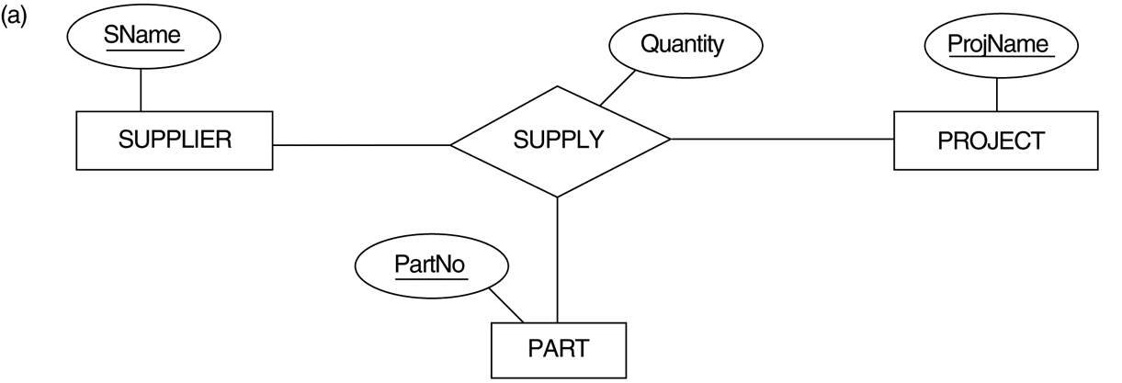
Step 7: | Mapping of N-ary Relationship Types
create a new relationship S to represent R

